1. Title Page
Instacart Grocery Basket Analysis

Project Name: Customers and Purchasing Behaviors
Date: 4/12/2022
Analyst Name: Selena Horner

Contents:
Population Flow
Consistency checks
Wrangling steps
Column derivations
Visualizations
Recommendations

Data Citations
“The Instacart Online Grocery Shopping Dataset 2017”, Accessed from https://www.instacart.com/datasets/grocery-shopping-2017 on 3/14/2022.
Customer data fabricated
Product price fabricated
List of regions of the United States - Simple English Wikipedia, the free encyclopedia (2022). Available at: https://simple.wikipedia.org/wiki/List_of_regions_of_the_United_States (Accessed: 14 April 2022).

2. Population Flow
Title page

Population flow

Exclusion flag
Condition: max_order < 2
new condition after fully combined set created: =< 5 orders to be excluded
Observations to be removed:
orders: 206209 observations removed due to one time only orders
products: 16 product_name missing
products: index row 26520 dropped after attempting to merge and the combined file size being too large: the product_id was a duplicate, the product was not purchased
products: 5 duplicate product_id rows dropped after attempting to merge and the combined file size was too large
Final total count of order_products_customers_combined: 30330084

all_orders
orders_products_combined
orders_products_customers_combined

Total: 30330084
Total: 30356421
Total: 30330084

1.) The grey boxes in the first row of the population flow represent the original data sets as they were when you downloaded them. In the Total fields you need to add the count of the rows when you imported the data set into Jupyter.
2.) The second row of boxes (coloured) represents the data sets after you manipulated them, e.g., removed missing values and duplicates. In the Total fields you need to add the count of the rows after conducting these operations. This offers a visual oveview of how the data flows throughout the data consistency checks.
3.) The third row, where also the arrows are coloured, represents the merges you performed between the datasets. In the Total fields you need to add the count of the rows in the merged datasets, so that you end up with the final dataset (in the red box). Keep in mind the final dataset should be without exclusions (based on the exclusion flag).

3. Consistency checks
 |  |  |  |  | Title page
Consistency checks

Dataset | Missing values | Missing values treatment | Duplicates | Notes: products dataset
orders | days_since_prior_order: 206209 | dropped | 0 | changed price of milk from 99999 to 2.5 (the mode)
products | product name: 16 | dropped | 5 | changed price of cottage cheese from 149000 to 2.5 (the mode)
products |  |  | 6 duplicate product_id dropped | changed product_id: Revive Zero Vitamin Water now product_id 6799
products | 0 |  | 0 rows duplicated
products |  |  | eliminated the a duplicate by correcting product_id: Revive Zero Vitamin Water now product_id 6799 | Notes: orders_products_combined
customers | first_name missing: 11259 | nothing at this point | 0 | used inner join between all orders and products to reduce the null values if the product dataframe did not have a product id for the order

 |  |  |  | Notes on missing values in orders
 |  |  |  | Created a crosstab to compare days_since_prior_order to order_number. Pasted info in Excel.
 |  |  |  | Missing values are reflective of first order placed.

4. Wrangling steps
 |  |  |  | Title page
Wrangling steps

Columns dropped | Columns renamed | Columns datatype changed | Comment/Reason
orders: eval_set |  |  | Not needed
 | orders: dow TO day_of_week_ordered |  | Easier to understand
 | orders: order_hour_of_day TO hour_of_day_ordered |  | Easier to understand
 |  | orders: eval_set TO category | Save memory
 |  | orders: user_id TO int32 | Save memory
 |  | orders: order_id TO int32 | Save memory
 |  | orders: order_number TO int16 | Save memory
 |  | orders: day_of_week_ordered to int16 | Save memory
 |  | orders: hour_of_day_ordered to int16 | Save memory
orders_prior: no columns dropped | orders_prior: no columns renamed
 |  | orders_prior: order_id TO int32 | Save memory
 |  | orders_prior: product_id TO int32 | Save memory
 |  | orders_prior: add_to_cart_order TO int16 | Save memory
 |  | orders_prior: reordered TO int16 | Save memory
products: no columns dropped
 | products: prices TO price |  | Easier to understand
 |  | products: product_name TO category | Save memory
 |  | products: product_id TO int32 | Save memory
 |  | products: aisle_id TO int16 | Save memory
 |  | products: department_id TO int16 | Save memory
customers: first_name |  |  | Ethical/privacy
customers: last_name |  |  | Ethical/privacy
 | customers: First Name TO first_name |  | Easier to understand
 | customers: Surnam TO last_name |  | Easier to understand
 | customers: Gender TO gender |  | Easier to understand
 | customers: STATE to state |  | Easier to understand
 | customers: AGE to age |  | Easier to understand
 | customers: n_dependants TO dependents |  | Easier to understand
 | customers: fam_status TO living_situation |  | Easier to understand
 |  | customers: first_name TO category | Save memory
 |  | customers: first_name TO category | Save memory
 |  | customers: gender TO category | Save memory
 |  | customers: state to category | Save memory
 |  | customers: living_situation TO category | Save memory
 |  | customers: date_joined TO datetime64 | Save memory
 |  | customers: age TO int16 | Save memory
 |  | customers: dependents TO int16 | Save memory
 |  | customers: user_id TO int32 | Save memory
 |  | customers: income TO int32 | Save memory
all_orders: _merge |  |  | Not needed
orders_products_combined: _merge |  |  | Not needed
orders_products_customers_combined: _merge |  |  | Not needed

5. Column derivations
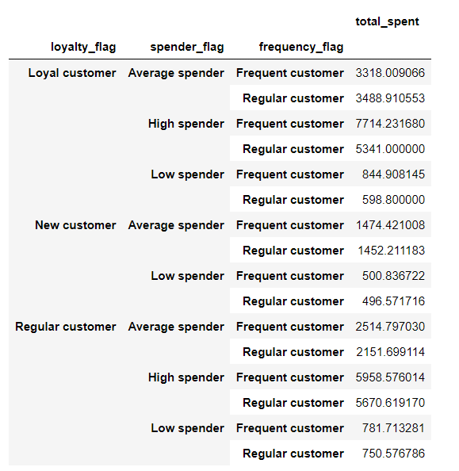
 |  |  |  |  |  | Title page

Column derivations and aggregations

In this tab you should add tables below that the frequences of flags/label variables that you produced after deriving them. NB: don't do this for continuous variables, only for flags.
Dataset | New column | Column(s) it was derived from | Conditions
orders | no new column
orders_prior | no new column
products | no new column |  |  | Frequencies of Type of Product Based on Price |  |  | Frequencies of Customers in Each Region
customers | no new column |  |  | Mid-range product 20463465 |  |  | South 10100368
all _orders | no new column |  |  | Low-range product 9481550 |  |  | West 7765408
orders_products_combined | no new column |  |  | High-range product 385069 |  |  | Midwest 7107852
orders_products_customers_combined | price_range_loc | price | >15 high-range product |  |  |  | Northeast 5356456
orders_products_customers_combined | price_range_loc | price | >5 and =<15 mid-range product | Frequencies of Busiest Day Based on Day of Week Ordered
orders_products_customers_combined | price_range_loc | price | <=5 low-range product | Regularly busy 12091374
orders_products_customers_combined | busiest_day | day_of_week_ordered | 0 and 1 = busiest day | Busiest day 11083262 |  |  | Frequencies of Spender Flags in Each Region
orders_products_customers_combined | busiest_day | day_of_week_ordered | 3 and 4 = least busy | Least busy 7155448 |  |  | region spender_flag
orders_products_customers_combined | busiest_day | day_of_week_ordered | all others = regularly busy |  |  |  | Midwest Average spender 3607621
orders_products_customers_combined | busiest_period_of_day | hour_of_day_ordered | 10, 11, 14, 15, 13, 12 = most orders | Frequencies of Busiest Hour Based on Hour of Day Ordered |  |  | High spender 1712365
orders_products_customers_combined | busiest_period_of_day | hour_of_day_ordered | 5, 2, 4, 3 = fewest orders | Most Orders 15097110 |  |  | Low spender 1787866
orders_products_customers_combined | busiest_period_of_day | hour_of_day_ordered | all others = average orders | Average Orders 14989028 |  |  | Northeast Average spender 2666117
orders_products_customers_combined | max_order | user_id & order_number | max order number | Fewest Orders 243946 |  |  | High spender 1356941
orders_products_customers_combined | loyalty flag | max_order | >40 = loyal customer |  |  |  | Low spender 1333398
orders_products_customers_combined | loyalty flag | max_order | >10 and =<40 = regular customer | Frequencies of Loyalty Flag Based on Max Order |  |  | South Average spender 5054547
orders_products_customers_combined | loyalty flag | max_order | <= 10 = new customer | Regular customer 15082338 |  |  | High spender 2521141
orders_products_customers_combined | total_spent | user_id & price | sum of price | Loyal customer 10095885 |  |  | Low spender 2524680
orders_products_customers_combined | spender_flag | total_spent | >=4663 = High spender | New customer 5151861 |  |  | West Average spender 3836195
orders_products_customers_combined | spender_flag | total_spent | <1106 = Low spender |  |  |  | High spender 1992938
orders_products_customers_combined | spender_flag | total_spent | >=1106 and <4663 = Average Spender | Frequencies of Spender Flag Based on Total Spent |  |  | Low spender 1936275
orders_products_customers_combined | median_days_prior_ord | days_since_prior_order | median of days since prior order | Average spender 15164480
orders_products_customers_combined | frequency_flag | median_days_prior_ord | <=20 = Non-frequent customer | High spender 7583385 |  |  | New Dataframes
orders_products_customers_combined | frequency_flag | median_days_prior_ord | <20 and >10 =Regular customer | Low spender 7582219 |  |  | low activity customers 1660243
orders_products_customers_combined | frequency_flag | median_days_prior_ord | <10 = Frequent customer |  |  |  | active customers 28669841
orders_products_customers_combined | region | state | based on Wikipedia | loyalty_flag | Mean Total Spent
low_all_plus_regions |  | max _order | <= 5 max_order | Loyal customer | 6054.52
active_all_plus_regions |  | max_order | >5 max_order | New customer | 609.75
active_all_plus_regions | order_amount_paid | order_id & price | sum of price | Regular customer | 2357.18
active_all_plus_regions_order_paid
all_active_with_value | value_flag | living_situation | living_situation = married =target customer | Frequencies of Frequency Flag Based on Median Days Since Prior Order
all_active_with_value | value_flag | living_situation | living _situation all other = not target | Frequent customer 20675947
 |  |  |  | Regular customer 9654137

 |  |  |  | Viewing a quick snapshot of it all put together

5a. Active Cust Frequencies
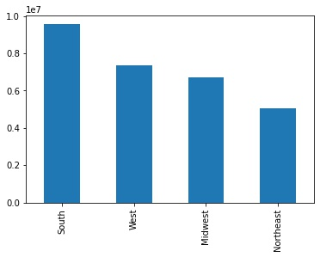
New Dataframe of JUST the active customers: In this tab you should add tables below that the frequences of flags/label variables that you produced after deriving them. NB: don't do this for continuous variables, only for flags.

Frequencies of Type of Product Based on Price
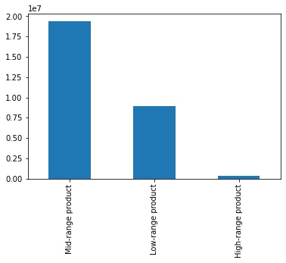

Frequencies of Busiest Day Based on Day of Week Ordered
 |  | Flags not that helpful: busiest and regularly kind of similar

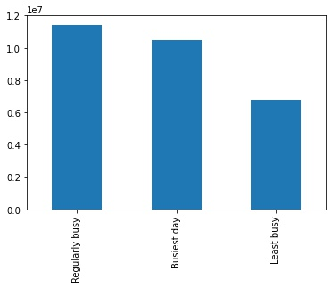

Frequencies of Busiest Hour Based on Hour of Day Ordered
 |  | Flags not that helpful: most and average orders similar

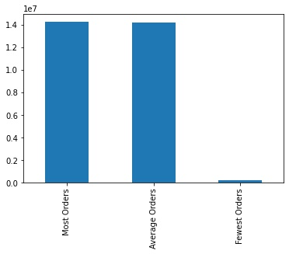

Frequencies of Loyalty Flag Based on Max Order |  |  | Spending of Loyalty Flag Based on Max Order |  |  | Departments Loyal Customers Spend
 |  |  |  | Y-axis = dollars | Loyal customers spend more | Y-axis = dollars | nothing special
 |  | There are more regular customers. Loyal = >40 orders
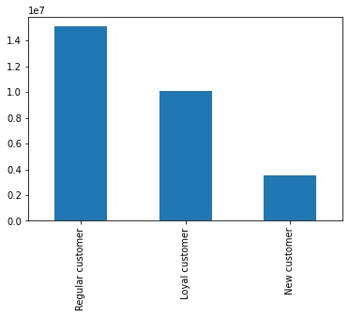
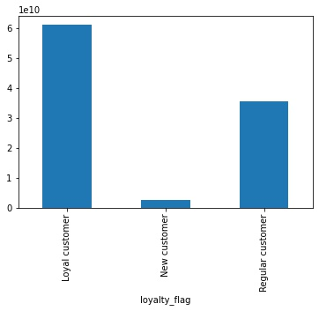
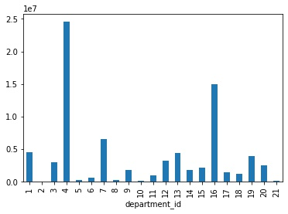

Frequencies of Spender Flag Based on Total Spent
 | There is a greater count of average spenders

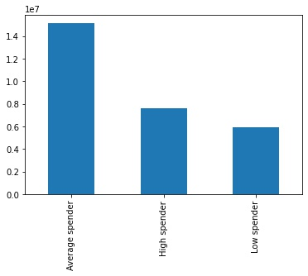

Frequencies of Frequency Flag Based on Median Days Since Prior Order
 |  | Many customers order in median days of 10 or less

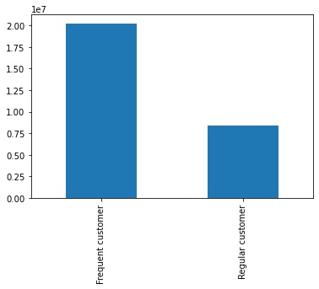

Frequencies of Active Customers in Each Region

 | Most active customers are in the South

6. Visualizations
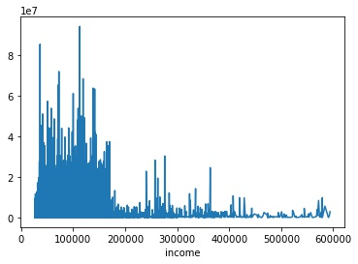
 |  |  |  | Title page

Visualisations
 |  |  |  |  |  |  |  |  |  |  | Target shopper has an 134% increase in shopping compared to a not target
 |  |  |  |  |  |  |  | Is there a difference in total spent by region? Y-axis = dollars |  |  |  | Y-axis = dollars

ACTIVE CUSTOMERS = the dataset for these visuals. In this tab you should include all the visualizations from Exercises 4.9 and 4.10, alongside the questions from the project brief that they answer. Include any commentary on the relationship between different variables.
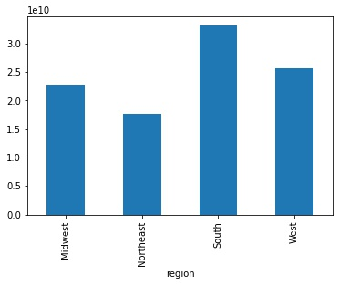
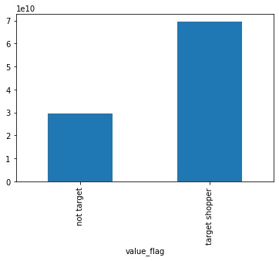

The visualizations used to come up with customer profile. See below.
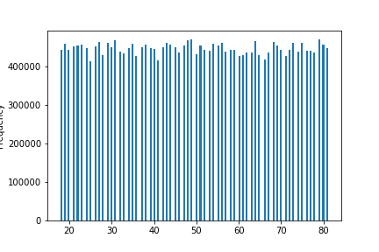
Age will not be relevant due to the seemingly equal count of ages
 |  | What time of day has the most money generated? Y-axis is dollars
 |  |  |  | Could create a flag for time of day shopper
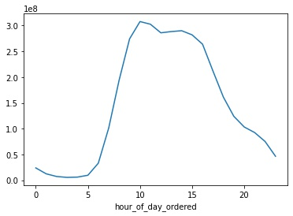

 |  |  |  |  |  |  |  |  |  |  | Frequency of target shopper
 |  |  |  |  |  |  |  |  |  |  |  | Y-axis = count

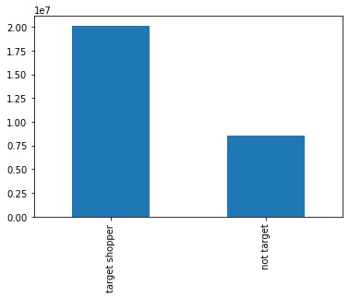

 |  |  |  |  |  |  |  |  | Is there a difference in the products purchased in the South? Y-axis = dollars

 |  |  |  |  |  |  |  |  |  | No really difference in products purchased. Still department_id 4
Number of dependents will not be helpful either. Evenly distributed counts.
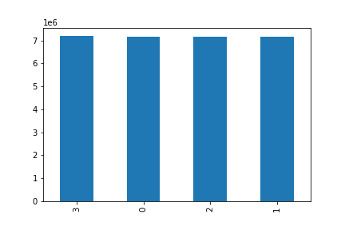
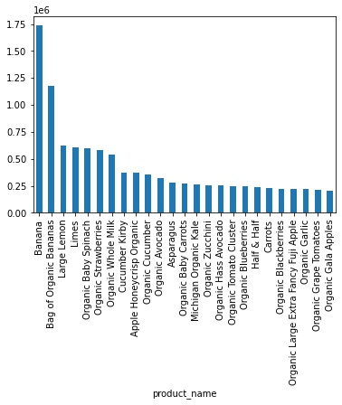

 |  | What day of week generates most money. Y-axis = dollars |  |  |  | Day 0 and 1 = highest dollars spent

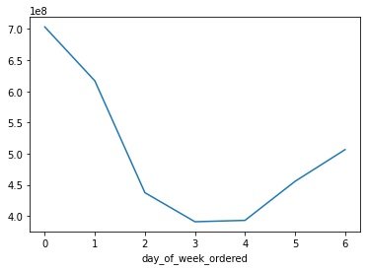

 |  |  |  |  |  |  |  |  |  |  | Products target shoppers purchase
 |  |  |  |  |  |  |  |  |  |  |  | Y-axis = dollars |  | Top product still in department 4 and one item in department 16 Mainly organic fruits/vegetables AND milk

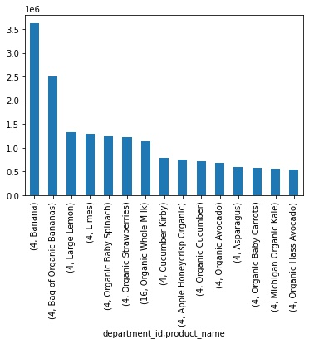

Day of week orders are placed is relevant | Saturday & Sunday have highest count
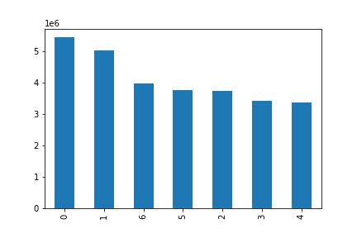

 |  | Which department generates the most money? Y-axis = dollars |  |  |  |  | Department 4 & 16

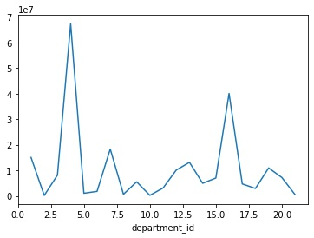

Hour of day order placed has relvancy: morning shoppers, around noon and then after work
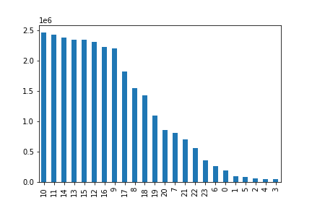

 |  |  |  |  |  |  |  |  |  |  | Region for target shopper
 |  | Department_id 4 product names. Y-axis = dollars |  |  | Customers really like organic |  |  |  |  |  |  | Y-axis = dollars | Target shoppers mainly in South

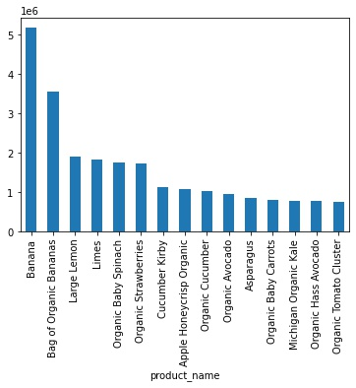
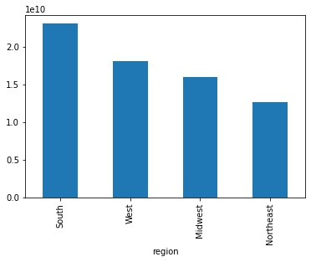

Days since prior order indicates a high volume of weekly shoppers
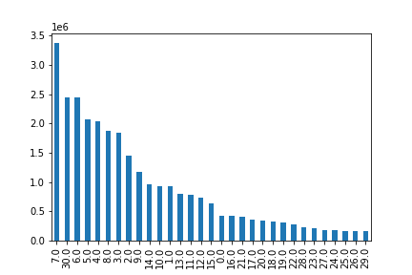

 |  | Department_id 16 product names. Y-axis = dollars |  |  | Customers really like organic

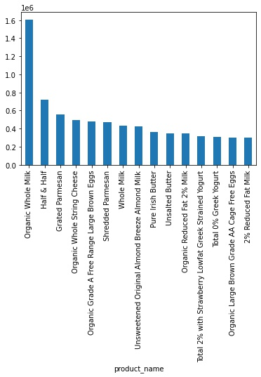

Count of items sold in department has relevancy. Department 4 has largest volume and then department 16.
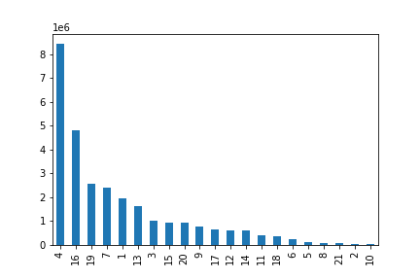

Looked at order amount paid. Most orders seem to be around $100
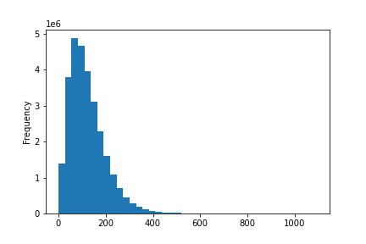

 |  |  | Living situation matters. Y-axis = dollars

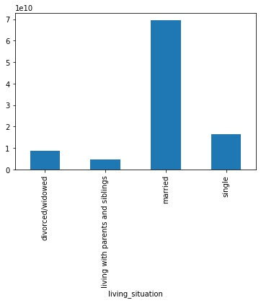

 |  |  | Income not a helpful parameter. Y-axis = dollars

7. Recommendations
 |  | Title page

Recommendations
Summary
In this tab you should include any recommendations you would made to Instacart in terms of their marketing strategy based on the questions posed in the brief. Every key question has been covered in the Tasks of the Exercises - here you need to add an item - a visualization or table/crosstable that is showing the answer in the data, acompanied by a comment from you. Please, list the questions below and add the answer underneath.

 |  |  | Focus on busy days: Saturday and Sunday
 |  |  | Busiest hours of day for orders = 10, 11, 12, 13, 14 & 15
 |  |  | Best time of day for spending: 10, 11, 13
 |  |  | Departments with highest orders: 4 & 16
 |  |  | Customers prefer organic
Question | Answer |  | Individuals in the South have most sales
What is busiest day of week? | Saturday & Sunday |  | The sum of individuals who are married is higher than any customer not married
What hours of day are busiest? | 10, 11, 14, 13, 15, 12 |  | Dependents, income and age are not helpful variables
What time of day has most spending? | 10, 11 & 13
What departments have highest orders? | 4 & 16
Frequency based on brand loyalty (>40 orders) | higher frequency of regular customers: 10-40 orders
Spending based on brand loyalty | higher spending in loyal customers
Difference in ordering habits based on region? | Yes, more orders and higher spending in South
Difference in ordering habits based on age/dependents? | Age and dependents are not helpful variables
Difference in ordering habits based on family status? | Higher dollars spent if married

Target shopper = the profile of the shopper that brings the most value
Target shopper: married
Target shopper has a 134% increase in shopping dollars compared to a not target
The target shopper purchases mainly from dept 4. Main purchases = bananas and organic fruit/vegetables and milk
Target shoppers mainly in South

Looking at averge minimum and maximum statistics, the target shopper isn't much different than a not target shopper: for max orders, total spent, and days since prior order

Although those statistics do not show a difference between groups, the sum of total spent is far greater for target shoppers mainly because there are more target shoppers in the system

